Sheet1
Name of Educator | Mounesh Gouda
Project title | AI Based Fake Job Post Prediction

Step Number | Task | Objective | Outcome | Screenshot
1 | Load Dataset | Load the job post dataset from a CSV file | Dataset is loaded into a pandas DataFrame for further processing. | 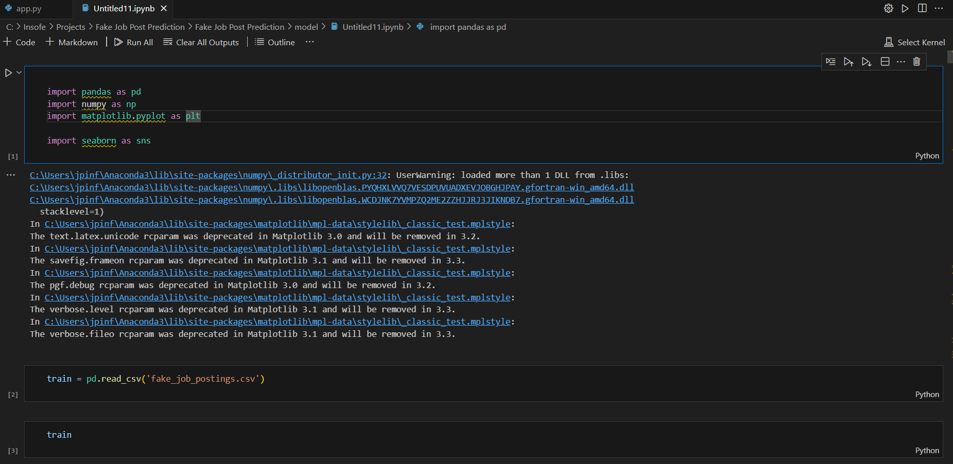
2 | Check for Missing Data | Identify missing data in the dataset (null values, NaN, etc.) | Missing data is identified and recorded (with methods like df.isnull().sum()). | 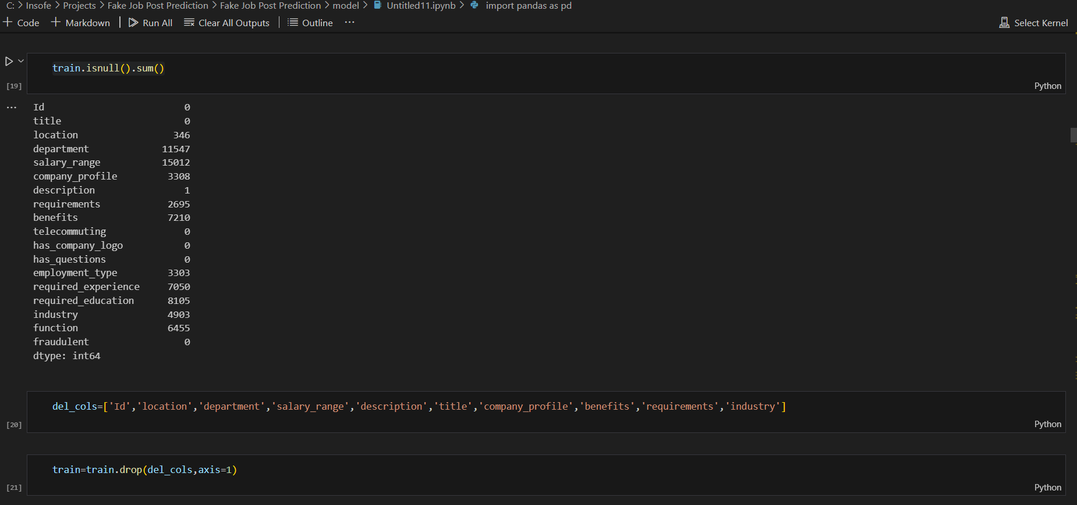
3 | Handle Missing Data | Impute missing values or drop rows with missing values based on analysis. | Missing data is either filled (e.g., with mean or mode) or dropped. | 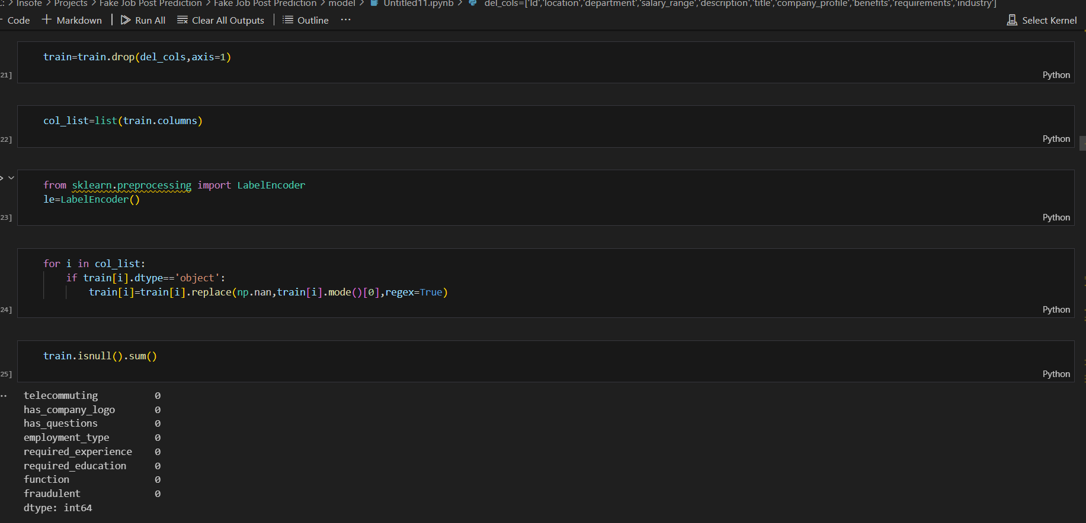
4 | Summary Statistics (EDA) | Generate summary statistics to understand the distribution of features. | Summary statistics for numeric and categorical features are presented. | 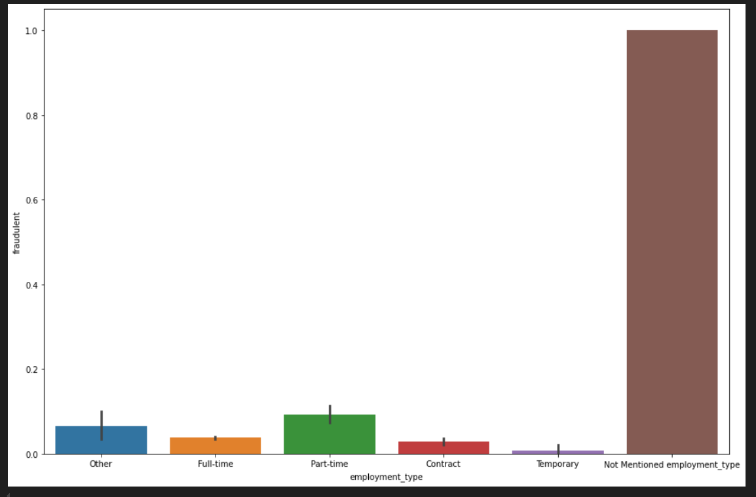
5 | Visualize Data Distribution | Visualize the distribution of features and the target variable. | Histograms, bar plots, and other visualizations for better data understanding. | 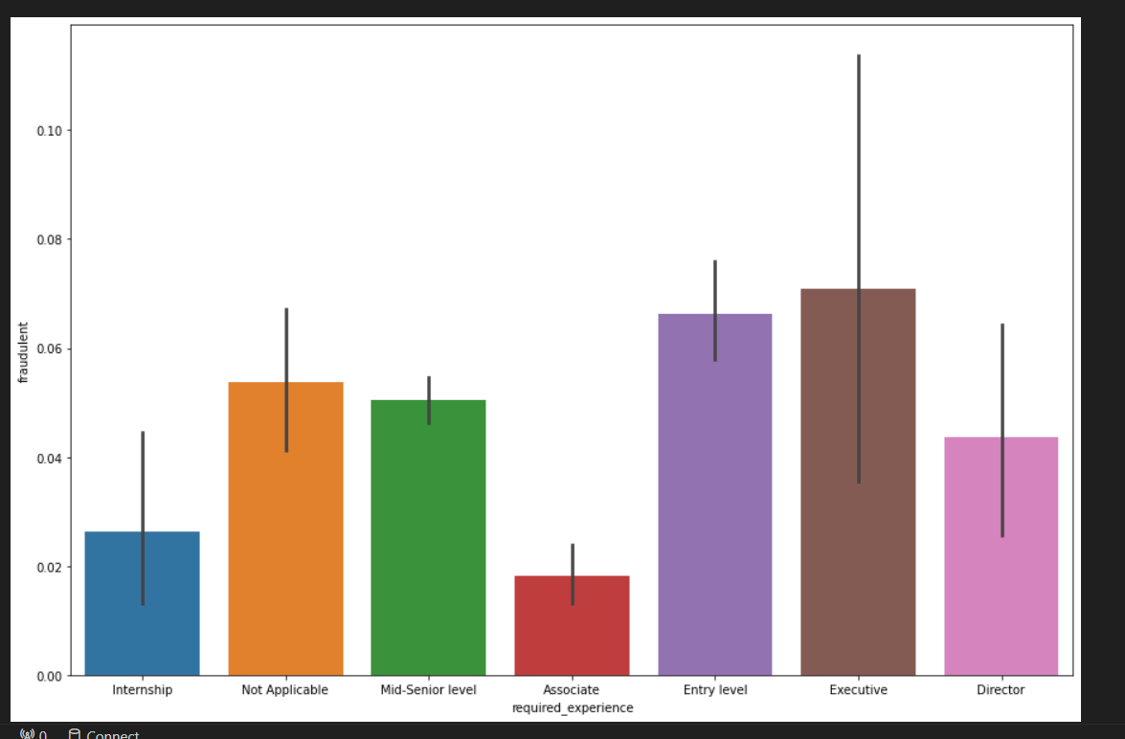 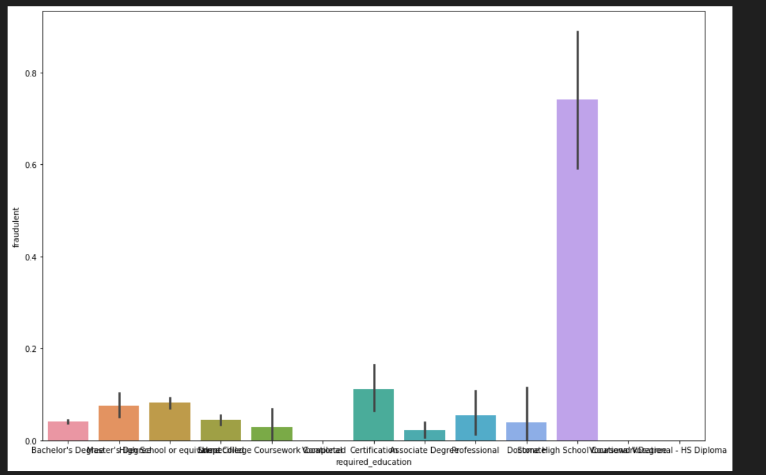 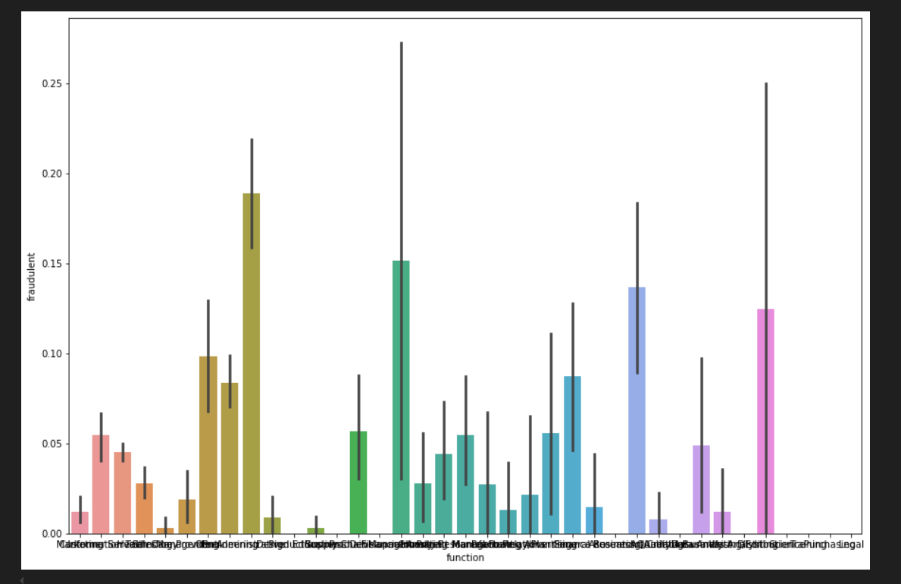 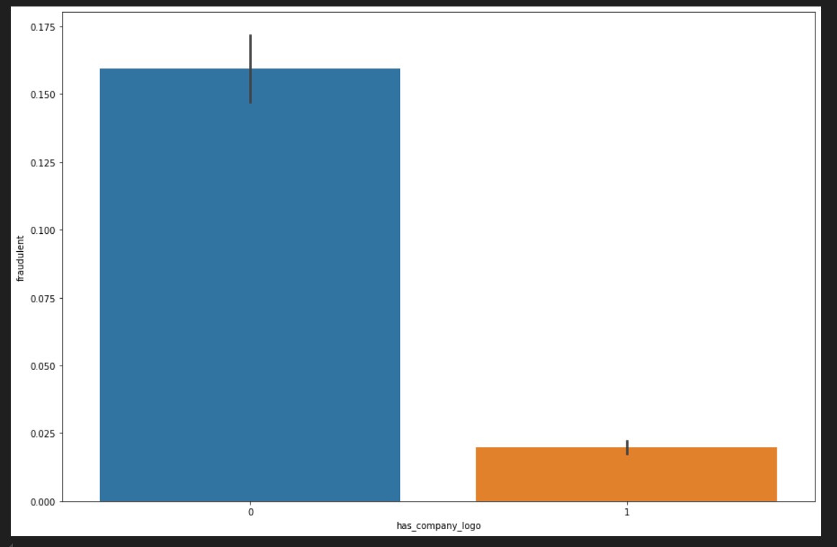
6 | Examine Target Class Imbalance | Analyze the distribution of the target variable (fraudulent). | Insights into the balance of fraudulent vs. legit job posts. | 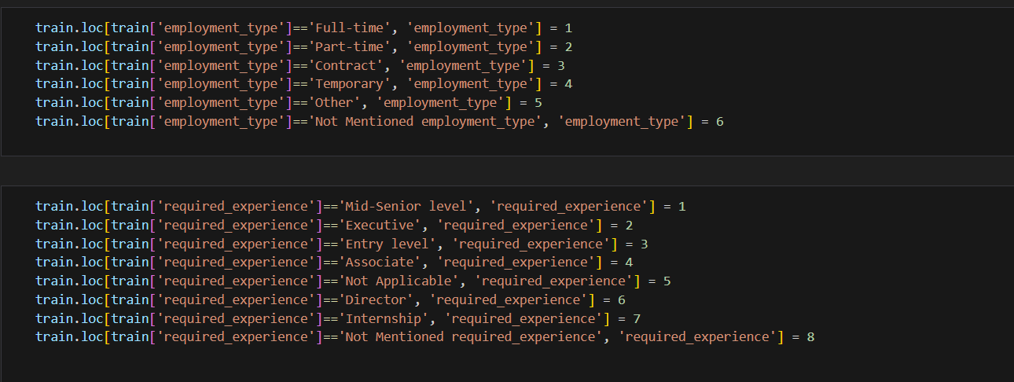
7 | Feature-Target Relationships | Explore the relationships between features and the target variable. | Insights into how different features (e.g., employment_type, company_logo) relate to fraudulent. | 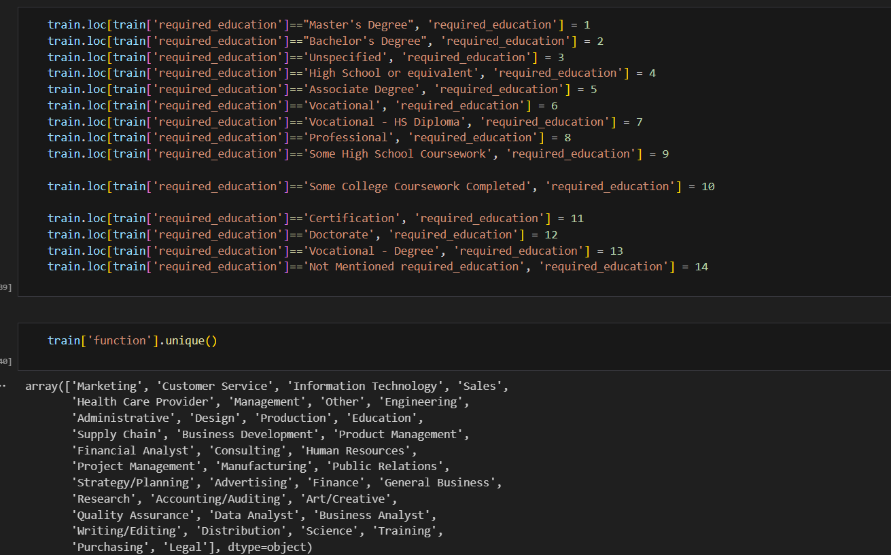
8 | Preprocess Data (Handle Categorical Variables) | Convert categorical variables (like employment_type, company_logo) to numerical format. | Categorical variables are encoded (e.g., with one-hot encoding or label encoding).
9 | Text Vectorization (Feature Engineering) | Use CountVectorizer or TF-IDF to convert job descriptions into numerical features. | Job descriptions are vectorized into numerical features for model training. | 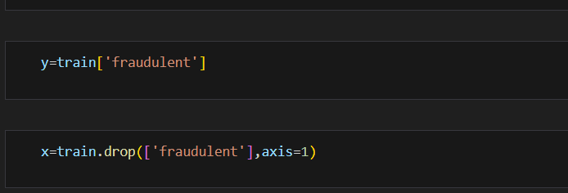
10 | Split Data into Train and Test Sets | Split the dataset into training and testing sets using train_test_split(). | Data is split (e.g., 80% train, 20% test) for model evaluation.
11 | Train the Model (Random Forest Classifier) | Train a machine learning model (e.g., RandomForestClassifier) on the training data. | The model is trained with selected features and the target variable.
12 | Evaluate Model (Accuracy, Precision, Recall) | Evaluate the model's performance on the test data using metrics like accuracy, precision, recall, etc. | The model's performance is assessed with accuracy, precision, recall, and F1 score. | 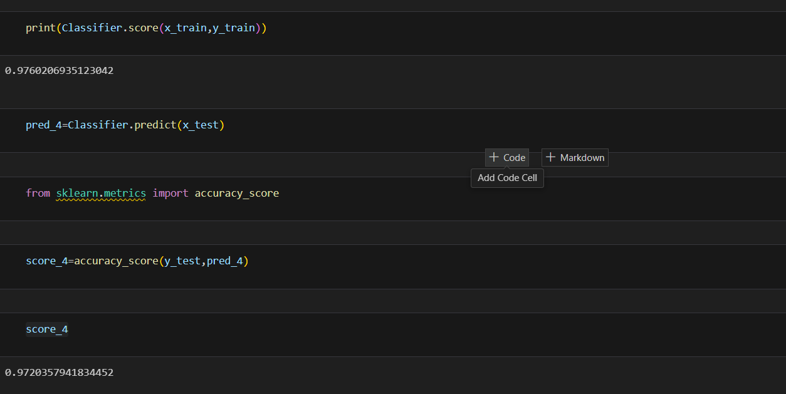
13 | Save the Model and Vectorizer | Save the trained model and vectorizer using pickle. | The trained model and vectorizer are saved for later use and deployment. | 
14 | Login Page | Display the login page for user authentication | Users can enter their credentials to access the home page. | 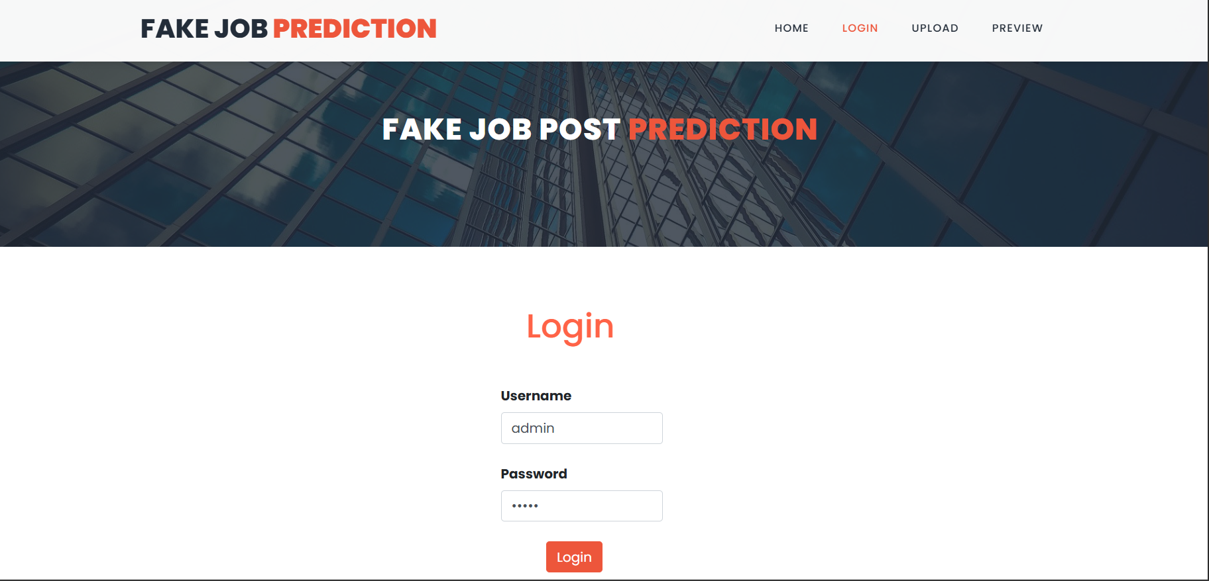
15 | Home Page | Display the home page with options to upload CSV and perform job post predictions | Users can navigate through the home page with options for uploading CSV and job post predictions. | 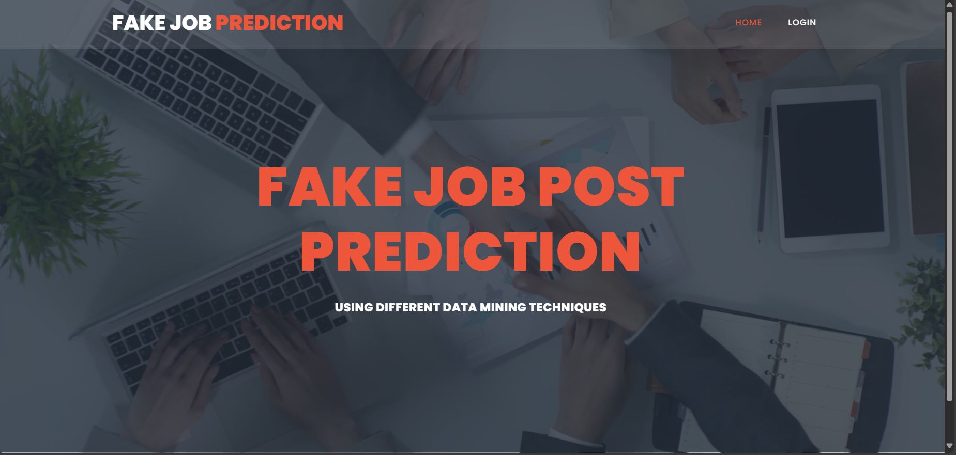
16 | Upload CSV File | Allow users to upload a CSV file containing job post data | The CSV file is uploaded and read for further processing. | 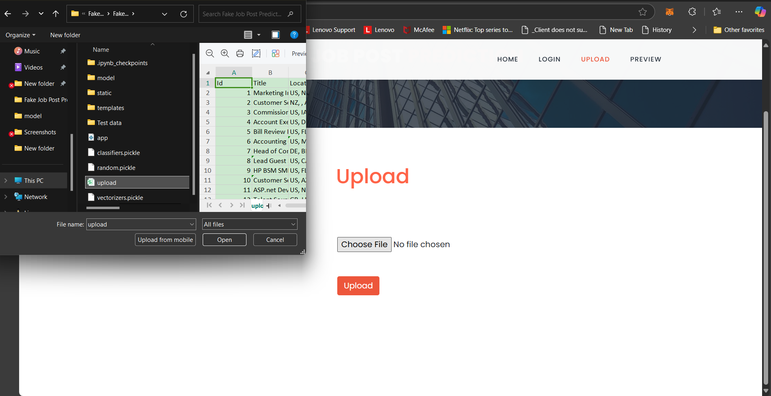
17 | Preview Data | Display a preview of the uploaded dataset | The data from the uploaded CSV file is shown for review. | 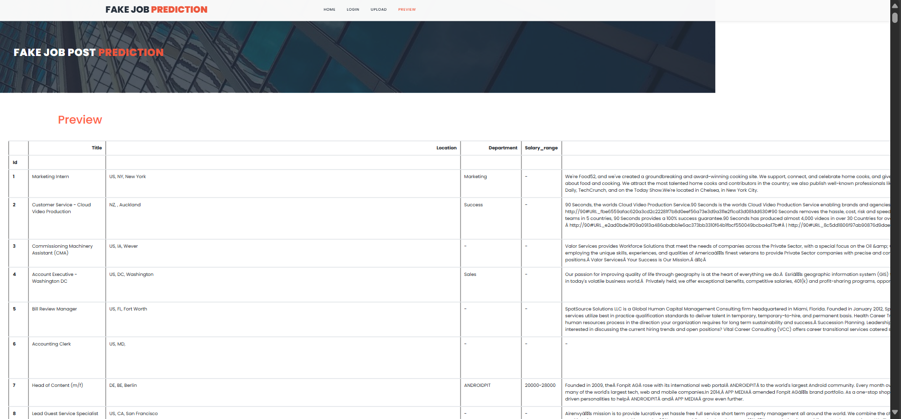
18 | Train on Uploaded Data | Use the uploaded CSV data to train the model | The uploaded data is used to train the model to predict whether the job posts are fake or legitimate. | 
19 | Predict Fake or Legit Job Post | Use the trained model to predict whether the job post is fake or legitimate | The app predicts whether the job post is fake or legit based on the uploaded data. | 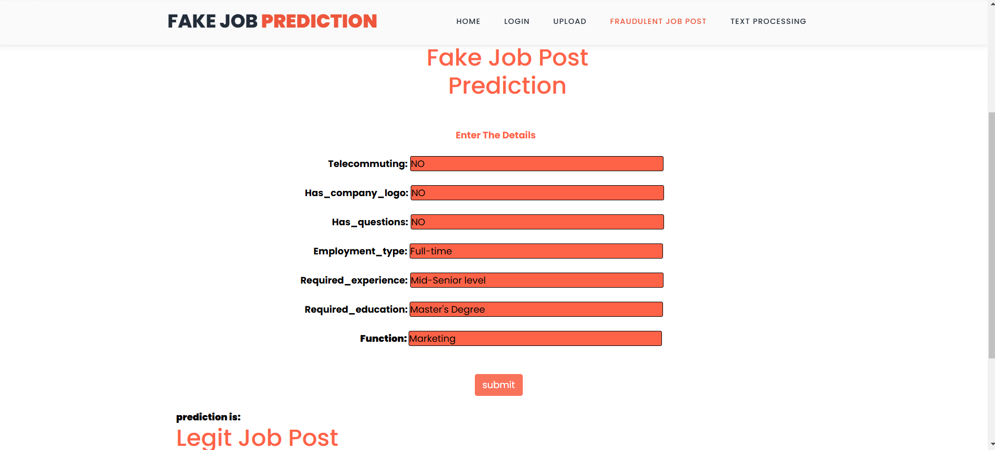
20 | Data Visualization | Visualize insights from the uploaded data (e.g., bar plots, histograms) | Bar plots and histograms are shown for categorical data (like employment type) and target variables (fraudulent). | 
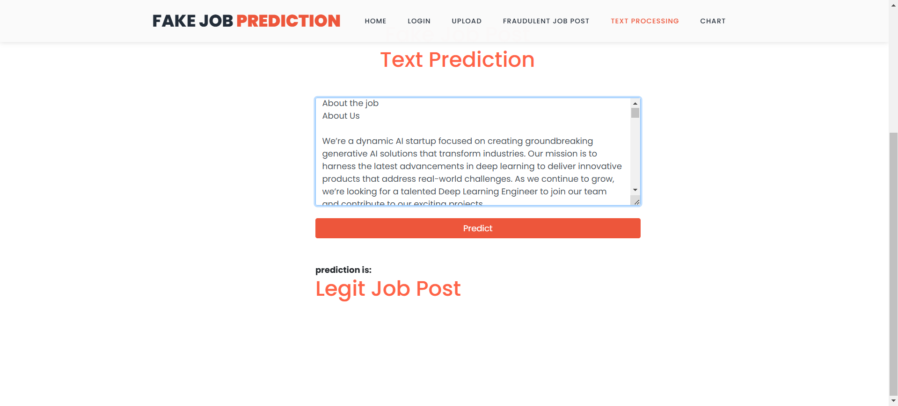
21 | Text-Based Job Post Prediction | Enable users to predict whether a job post is fake based on the description text using NLP | Users can copy and paste a job description, and the app predicts whether it's fake or legit.
22 | Post-Job Prediction Result | Display the prediction result for the job post description | The app displays whether the copied job description is fake or legitimate.
23 | Final Output and App Deployment | Display the final results and deploy the app for use | The app is deployed, allowing users to use the interface and predict job post legitimacy.

